PO
Test Nature | Test cases | Expected | Actual | Remarks | 20160506 UAT | Change Request | 20160530
File name and structure | Name file as MS002_POR_20151231 | Integration not triggered because POR is not valid
 | Name file as MS003_PO_20151231 | Integration not triggered. System only detects PO, regardless the first prefix is MS002 or MS003
 | missing one column cln_code | Integration throws error
 | add one column in excel file | Integration throws error

Data | For customer type FFS (not capitation)
 | To accrue cost for customer type FFS | One journal is created per clinic code, incurred month and type (FFS/CAP) |  | One clinic may have different customers. Some customers in FFS while some customers in CAP. Two journal should be created, one for FFS, one for CAP |  | If the company code does not exist in bp master, don’t throw error but treat it as FFS | Pass
 |  | journal posting date is incurred month
 |  | Journal remarks is "Estimated cost for <ap code>"
 |  | journal GL account DR FFS Panel Provider (cmoney) CR Admin Fee (oper) CR Fee For Services (pay_client) CR Accrued COGS |  | amount should be split for different MBMS
 |  | GL accounts are split for each MBMS. Each MBMS should have three GL accounts. Check the amount is correct for each MBMS

 | For customer type Capitation
 | To accrue cost for customer type Capitation | One journal is created per clinic code, incurred month and type (FFS/CAP) |  | One clinic may have different customers. Some customers in FFS while some customers in CAP. Two journal should be created in this case |  | If the company code does not exist in bp master, don’t throw error but treat it as FFS | Pass
 |  | journal posting date is incurred month
 |  | Journal remarks is "Estimated cost for <ap code>"
 |  | journal GL account DR CAP - Panel Provider Fee (cmoney - pay_client) DR FFS Panel Provider (pay_client) CR Fee For Services (pay_client) CR Admin Fee (Oper) Cr Accrued COGS |  | amount should be split for different MBMS
 |  | GL accounts are split for each MBMS. Each MBMS should have four GL accounts. Check the amount is correct for each MBMS
Validation Check | Duplicate invoice number is uploaded after it is processed and accrual journal was created in SAP in previous files | Throw error and tell row number in log file
 | company code not found in SAP | Throw error and tell row number in log file
 | AP code not found in SAP | Throw error and tell row number in log file
 | scheme code is null in the source file | Throw error and tell row number in log file
 | Duplicate MBMS found for same customer in same period and scheme code | Throw error and tell row number in log file
 | MBMS nof found, for eg scheme code does not match, effective date is not valid | Throw error and tell row number in log file
 | AE_MS002_PO and AE_COSTACCRUAL table
MBMS Check | Refer to "MBMS" sheet

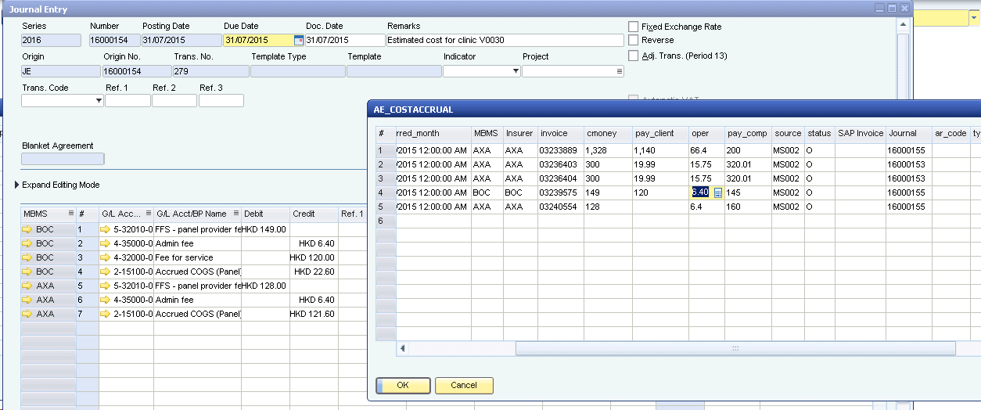

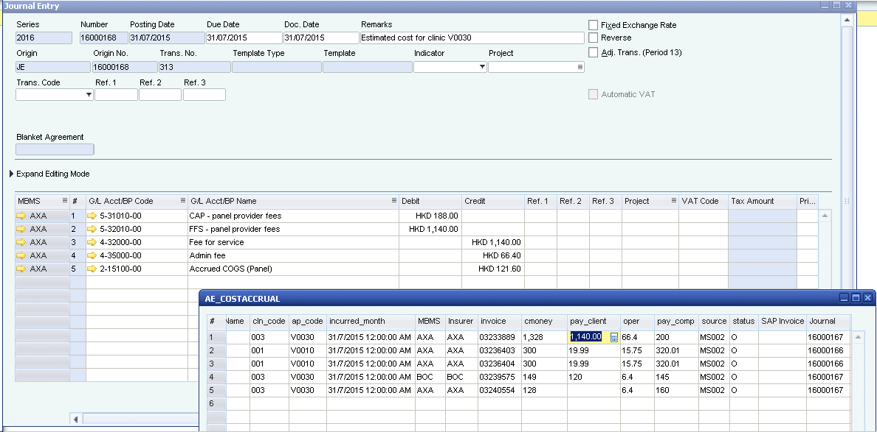

Validation Check

HMDC

AP
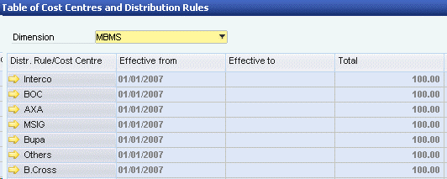
Test Nature | Test cases | Expected | Actual | Remarks | 20160506 UAT | Change Request | 20160530
File name and structure | Name file as MS002_APR_20151231 | Integration not triggered because APR is not valid
 | Name file as MS003_AP_20151231 | Integration not triggered. System only detects AP, regardless the first prefix is MS002 or MS003
 | missing one column cln_code | Testing has been done in PO
 | add one column in excel file | Testing has been done in PO

Data | For customer type FFS (not capitation)
 | To create AP invoice for customer type FFS | One AP invoice is created per clinic code, incurred month and type (FFS/CAP) |  | One clinic may have different customers. Some customers in FFS while some customers in CAP. Two invoices should be created, one for FFS, one for CAP |  | If the company code does not exist in bp master, don’t throw error but treat it as FFS | Pass
 |  | invoice posting date is the date in the upload file name
 |  | invoice ap code = V + clinic code + subcode
 |  | Item code in the invoice lines FFS Panel Provider - cmoney Admin Fee - oper (negative amount) Fee For Services - pay_client (negative amount) |  | amount should be split for different MBMS
 |  | Check journal entry for the invoice DR FFS Panel Provider (cmoney) CR Admin Fee (oper) CR Fee For Services (pay_client) CR AP
 |  | Each MBMS has three item lines. Check the amount is correct for each MBMS
 |  | Cost accrual journal is reversed per clinic code, incurred month and type (FFS/CAP) |  |  |  | As long as the invoice can be found in accrual table, regardless whether the clinic code is same, reversal should be made. Now reversal is not able to be done. Please use AP Reversal worksheet as test data During the reversal, use the original customer type in accrual table | Failed, no reversal is made but status in costaccrual has been changed to closed Customer type change but reversal is made based on new type. How come cost accrual table type column is empty?
 |  | journal remarks is "Reversal of Estimated cost for <clinic code>"
 |  | Reversal journal posting date is the date in the upload file name
 |  | Reversal journal GL accounts CR FFS Panel Provider (cmoney) DR Admin Fee (oper) DR Fee For Services (pay_client) DR Accrued COGS
 |  | Reversal amount should follow the invoice amount uploaded in PO file, not AP
 |  | GL accounts are split for each MBMS. Each MBMS should have three GL accounts. Check the amount is correct for each MBMS

 | For customer type Capitation
 | To create AP invoice for customer type CAP | One AP invoice is created per clinic code, incurred month and type (FFS/CAP) |  | One clinic may have different customers. Some customers in FFS while some customers in CAP. Two invoices should be created, one for FFS, one for CAP |  | If the company code does not exist in bp master, don’t throw error but treat it as FFS | Pass
 |  | invoice posting date is the date in the upload file name
 |  | invoice ap code = V + clinic code + subcode
 |  | Item code in the invoice lines CAP - Panel Provider Fee - cmoney-pay_client FFS Panel Provider - pay_client Admin Fee - oper (negative amount) Fee For Services - pay_client (negative amount) |  | amount should be split for different MBMS | if cmoney-pay_client is negative, it is showing as positive in invoice, refer to AP Cap Plan worksheet
 |  | Check journal entry for the invoice DR CAP - Panel Provider Fee (cmoney - pay_client) DR FFS Panel Provider (pay_client) CR Fee For Services (pay_client) CR Admin Fee (Oper) Cr AP
 |  | Each MBMS has four item lines. Check the amount is correct for each MBMS
 |  | Cost accrual journal is reversed per clinic code, incurred month and type (FFS/CAP)
 |  | journal remarks is "Reversal of Estimated cost for <clinic code>"
 |  | Reversal journal posting date is the date in the upload file name |  |  |  | As long as the invoice can be found in accrual table, regardless whether the clinic code is same, reversal should be made. Now reversal is not able to be done. Please use AP Reversal worksheet as test data During the reversal, use the original customer type in accrual table | Same as M14
 |  | Reversal journal GL accounts CR CAP - Panel Provider Fee (cmoney - pay_client) CR FFS Panel Provider (pay_client) DR Fee For Services (pay_client) DR Admin Fee (Oper) DR Accrued COGS
 |  | Reversal amount should follow the invoice amount uploaded in PO file, not AP
 |  | GL accounts are split for each MBMS. Each MBMS should have four GL accounts. Check the amount is correct for each MBMS
 |  | Check invoice number is filled in MS002_AP
Validation Check | Duplicate invoice number is uploaded after it is processed and invoice created in SAP in previous files | Throw error and tell row number in log file
 | company code not found in SAP | Testing has been done in PO
 | AP code not found in SAP | Testing has been done in PO
 | scheme code is null in the source file | Testing has been done in PO
 | Duplicate MBMS found for same customer in same period and scheme code | Testing has been done in PO
 | MBMS nof found, for eg scheme code does not match, effective date is not valid | Testing has been done in PO
 | AE_MS002_AP table
MBMS Check | Refer to "MBMS" sheet | Testing has been done in PO

AP Cap Plan
invoice | cln_code | subcode | cln_name | txn_date | company | company_code | scheme_code | m_id_type | m_id | id_type | id | treat_code | treatment | charge | pay_comp | pay_client | oper | ds | reimburse | cmoney | diag_desc | refer_from_name | lastname | given_name | christian | remark_fg | manualfee | in_time | status | sl_fr | sl_to | txn_remark_type | txn_remark | txn_remark_userid | create_datetime | create_userid
3261634 | 14 | 0 | Dr. Or Hing Chuen | 8/10/15 | Hong Kong Housing Authority | 1903 | B |  | Z374796(5)-1-HA |  | Z374796(5)-3-HA | 1001 | General Consultation | 165 | 0 | 165 | 6 | 0 | -51 | 120 | 00029 URTI/Upper Respiratory Tract Infection |  | POON | TSZ KIU |  | Y | 0 | 10/08/2015 19:06:45:453 | A |  |  |  |  |  | 10/08/2015 19:06:45:456 | M8KARMAK
3276936 | 14 | 0 | Dr. Or Hing Chuen | 8/31/15 | G4S Secure Solutions (HK) Ltd | 2197 | C |  | XE241878(7)-2197 |  | XE241878(7)-2197 | 1001 | General Consultation | 148 | 0 | 148 | 6 | 0 | -34 | 120 | 00241 Vertigo |  | WONG | RONALD GERALD |  | Y | 0 | 8/31/15 | A |  |  |  |  |  | 31/08/2015 18:00:04:5 | M8KAREWO

CAP Plan wrong for AP

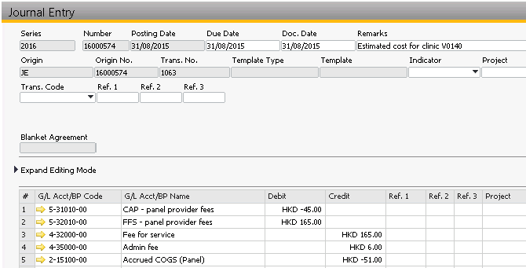
PO
 |  |  |  |  |  |  |  |  |  |  |  |  |  | AP
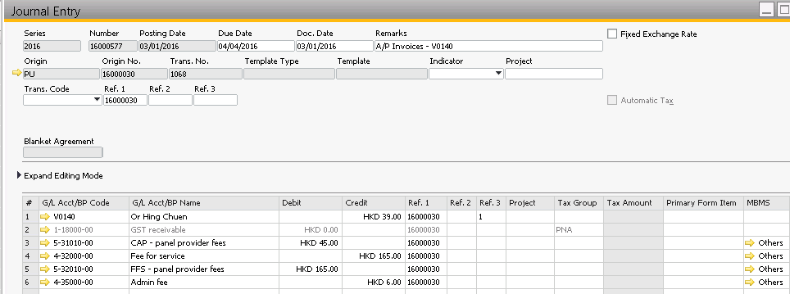

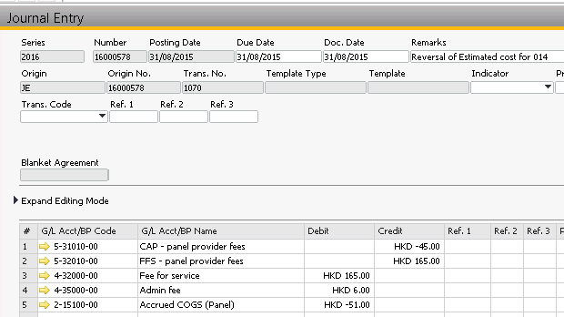
Reversal PO

 |  |  |  |  |  |  |  |  |  |  |  |  |  |  |  | Should be -45

TPA Entry wording
MS007_SO_20160430_TPAFFS
company | company_code | C | scheme_code | cln_code | m_id_type | m_id | m_lastname | m_given_name | m_christian | relation | id_type | id | lastname | given_name | christian | txn_date | invoice | treatment | charge | pay_comp | pay_client | diag | diag_desc | refer_from_name | policy_num | cert_num | treat_code | remark_fg | remark1 | paiddate | status | status_code | cust_no | scheme_remark | dept1 | dept2 | dept3 | ds1 | ds2 | ds3 | in_time | insco | sl_fr | sl_to | CompTotRecCnt | CompTotBillAmt | scheme_desc
Bank of China | 3717 | C | A | OUT1 | CN | FQ0000934 | NG | WAI FUN | ELSIE | S | ID | D012905(5) | LI | TAK WAI | TONY | 11/3/2016 15:41:23:5 | 34402751 | General Consultation | 150 | 120 | 30 | 00400 | Bronchitis |  | FQ150000934 | 001U01-S01 | 1001 | N |  |  | A |  | 2712977 |  | PNU1007 | PLAN 1 |  |  |  |  | 11/3/2016 15:41:20:556 | BOC |  |  | 33886 | 5760050.9286 | Plan 1
Bank of China | 3717 | C | A | OUT1 | CN | FQ0000934 | NG | WAI FUN | ELSIE | S | ID | D012905(5) | LI | TAK WAI | TONY | 14/3/2016 11:39:28:526 | 34421621 | General Consultation | 150 | 120 | 30 | 00400 | Bronchitis |  | FQ150000934 | 001U01-S01 | 1001 | N |  |  | A |  | 2712977 |  | PNU1007 | PLAN 1 |  |  |  |  | 14/3/2016 11:06:24:036 | BOC |  |  | 33886 | 5760050.9286 | Plan 1

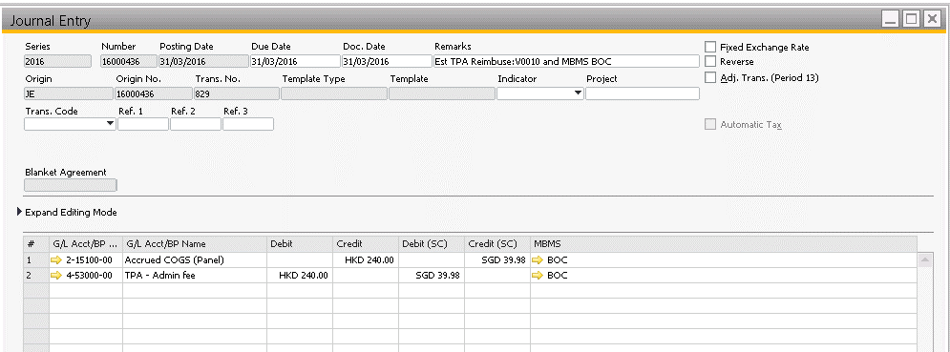

MS007_SO_20160430_TPACAP
company | company_code | C | scheme_code | cln_code | m_id_type | m_id | m_lastname | m_given_name | m_christian | relation | id_type | id | lastname | given_name | christian | txn_date | invoice | treatment | charge | pay_comp | pay_client | diag | diag_desc | refer_from_name | policy_num | cert_num | treat_code | remark_fg | remark1 | paiddate | status | status_code | cust_no | scheme_remark | dept1 | dept2 | dept3 | ds1 | ds2 | ds3 | in_time | insco | sl_fr | sl_to | CompTotRecCnt | CompTotBillAmt | scheme_desc
ABC | 1004 | C | E | OUT1 | CN | FQ0000934 | NG | WAI FUN | ELSIE | S | ID | D012905(5) | LI | TAK WAI | TONY | 11/3/2016 15:41:23:5 | 34402752 | General Consultation | 150 | 120 | 30 | 400 | Bronchitis |  | FQ150000934 | 001U01-S01 | 1001 | N |  |  | A |  | 2712977 |  | PNU1007 | PLAN 1 |  |  |  |  | 11/3/2016 15:41:20:556 | BOC |  |  | 33886 | 5760050.929 | Plan 1
ABC | 1004 | C | E | OUT1 | CN | FQ0000934 | NG | WAI FUN | ELSIE | S | ID | D012905(5) | LI | TAK WAI | TONY | 14/3/2016 11:39:28:526 | 34421622 | General Consultation | 150 | 120 | 30 | 400 | Bronchitis |  | FQ150000934 | 001U01-S01 | 1001 | N |  |  | A |  | 2712977 |  | PNU1007 | PLAN 1 |  |  |  |  | 14/3/2016 11:06:24:036 | BOC |  |  | 33886 | 5760050.929 | Plan 1
1004E MBMS = Others
Company CODE in BP = Cap Plan |  |  |  | tpa |  |  |  |  |  |  |  |  |  |  |  |  |  |  |  | 240

AR Invoice Item Description
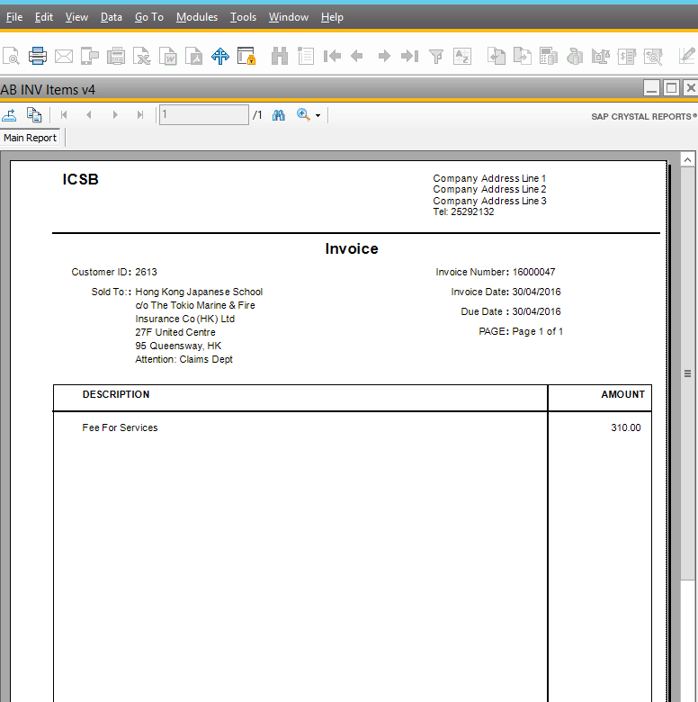
AR | Description is too simple when AR invoice created should be "Consultation fee for March 2016"

